Home
Tutorial 3

Paste Special Command
Name Manager
Sheeet Protection

Hyperlinking
Indirect
Workbook Protection

Filter and Advance Filter
Offset
Working

Sorting
Choose

Paste Special Command
Home
Paste Special Command in Excel

Paste Special (ALT + E + S)

The Paste Special dialog box offers many more paste options. To launch the Paste Special dialog box, execute the following steps.

1. Select cell B5, right click, and then click Copy (or press CTRL + c).

2. Next, select cell D5, right click, and then click Paste Special.

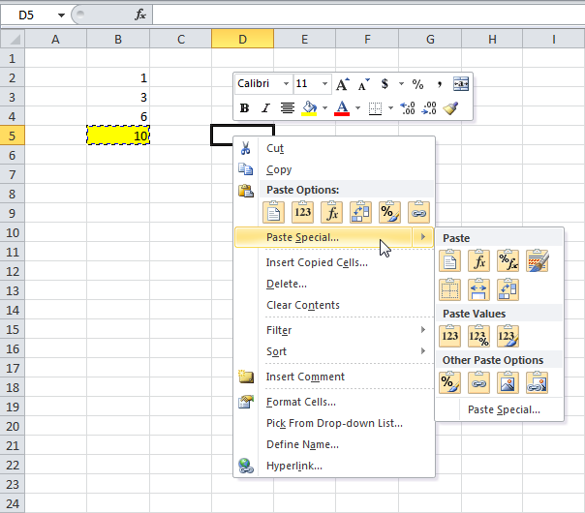

The Paste Special dialog box appears.

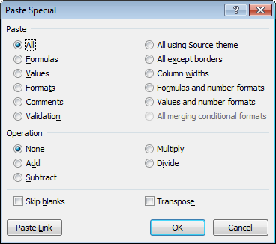

Note: here you can also find the paste options described above. You can also paste comments only, validation criteria only, use the source theme, all except borders, column widths, formulas and number formats, values and number formats. You can also use the Paste Special dialog box to perform quick operations, skip blanks and transpose data.

Row ID | Order ID | Order Date | Order Priority | Order Quantity | Sales
1 | 3 | 40464 | Low | 6 | 262
49 | 293 | 41183 | High | 49 | 10,123
50 | 293 | 41183 | High | 27 | 245
80 | 483 | 40734 | High | 30 | 4,966
85 | 515 | 40418 | Not Specified | 19 | 394
86 | 515 | 40418 | Not Specified | 21 | 147
97 | 613 | 40711 | High | 12 | 94
98 | 613 | 40711 | High | 22 | 905
103 | 643 | 40626 | High | 21 | 2,782
107 | 678 | 40235 | Low | 44 | 228
127 | 807 | 40505 | Medium | 45 | 197
128 | 807 | 40505 | Medium | 32 | 125
134 | 868 | 41068 | Not Specified | 32 | 717
135 | 868 | 41068 | Not Specified | 31 | 1,474

Hyperlinking
Home
Assignment 1
Hyperlinking | Tutorial 2 |  | Chapter 1
 |  |  | Chapter 2
CREATE A HYPERLINK TO ANOTHER CELL |  |  | Chapter 3
 | Sheet Protection |  | Chapter 4
I want to create a hyperlink in Microsoft Excel 2010. How do I specify a particular location that a hyperlink should point to? |  |  | Chapter 5

To create a hyperlink to another cell in your spreadsheet, right click on the cell where the hyperlink should go. Select Hyperlink from the popup menu.

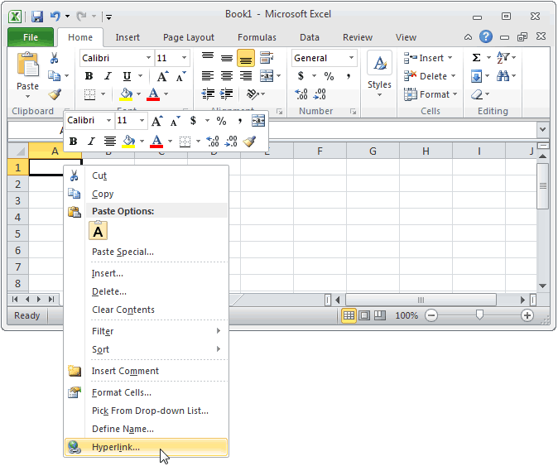

 |  |  | Chapter 1 |  | Home

 |  | Home

When the Insert Hyperlink window appears, click on the "Place In This Document" on the left. Enter the text to display. In this example, we've entered "Hyperlink to cell A5". This is the value that will be displayed in Excel.

Next enter the cell reference that the hyperlink points to. We've chosen to link to cell A5. Click the OK button.

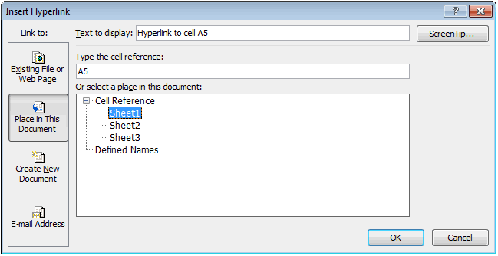

 |  |  | Chapter 2 | Home

Now when you return to the spreadsheet, you should see the hyperlink.

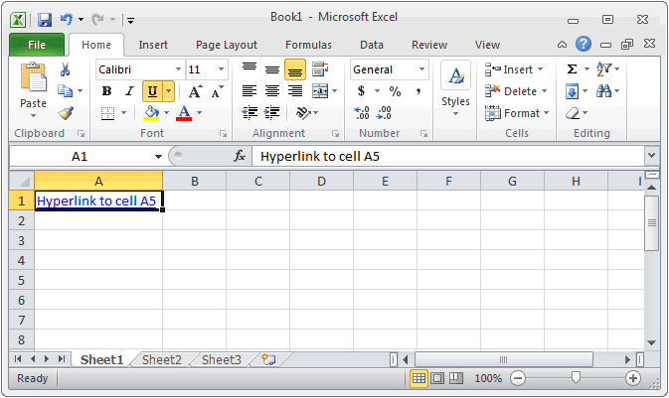

 |  |  | Chapter 3 | Home
If you click on the hyperlink, your active cell should become cell A5.

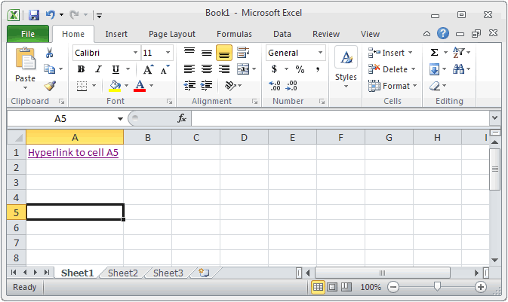

DELETE A HYPERLINK FROM A CELL

How can I delete a hyperlink in Microsoft Excel 2010?

If you only want to remove a hyperlink from a single cell, right click on the cell where the hyperlink resides. Select Remove Hyperlink from the popup menu.

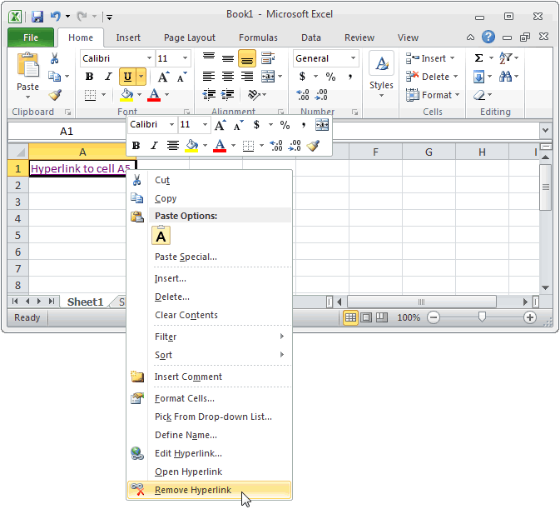

Now when you return to the spreadsheet, you should see the hyperlink has been removed.

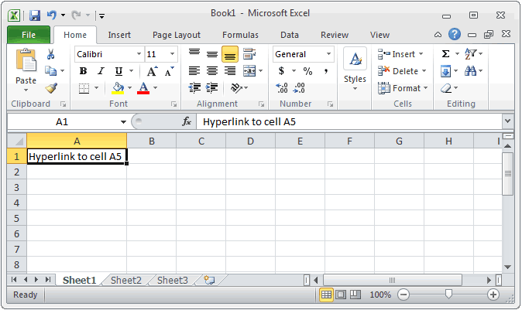

Filter

Working

Name Manager
Name Manager |  | 33 | 290 | #NAME?
 |  | 44 | 290
Create a named range or a named constant and use these names in your formulas. This way you can make your formulas easier to understand. |  | 55
 |  | 33
Home
To create a named range, execute the following steps |  | 33
1. Select the range A1:A4. |  | 44
2. On the Formulas tab, click Define Name. |  | 13
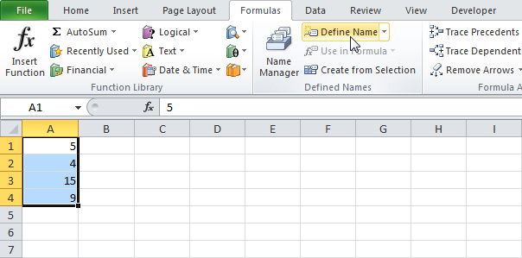
 |  | 12
 |  | 11
 |  | 12

3. Enter a name and click OK.
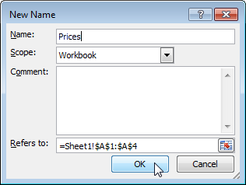

4. Select the range, type the name in the Name box and press Enter.

Working:-

13 | 166
13
13 | 290
12
17
15
83

Sheet Protection
Sheet Protection

Home
When you share a file with other users, you may want to protect a worksheet to help prevent it from being changed.

1. Right click a worksheet tab.
2. Click Protect Sheet.

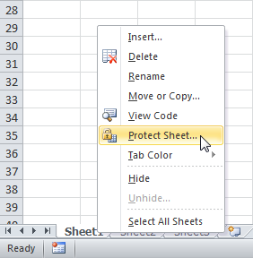

3. Enter a password.
4. Check the actions you allow the users of your worksheet to perform.
5. Click OK.

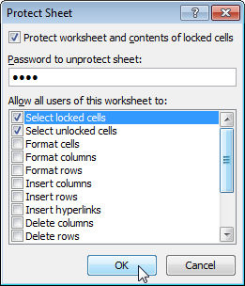

Note: if you don't check any action, users can only view the Excel file!

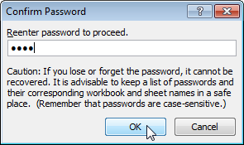
6. Confirm the password and click OK.

 |  |  |  |  |  |  |  |  | sdas

 |  | M |  |  |  |  |  |  |  |  | sa

 |  |  |  |  |  |  |  |  |  | das

52 | 46 | 10 | 83 | 79 | 45 | 92 | 73 | 83 | 55
68 | 29 | 27 | 18 | 85 | 25 | 80 | 89 | 75 | 54
33 | 54 | 44 | 47 | 33 | 19 | 23 | 41 | 21 | 53
12 | 95 | 68 | 55 | 93 | 14 | 82 | 75 | 68 | 79
46 | 62 | 69 | 57 | 20 | 10 | 66 | 92 | 15 | 89
21 | 68 | 19 | 91 | 69 | 18 | 95 | 97 | 75 | 81
32 | 37 | 41 | 10 | 58 | 15 | 26 | 45 | 47 | 25
20 | 67 | 31 | 34 | 50 | 94 | 85 | 41 | 61 | 13
48 | 42 | 75 | 11 | 24 | 79 | 36 | 84 | 61 | 97
76 | 45 | 13 | 57 | 53 | 34 | 19 | 80 | 65 | 77
18 | 43 | 59 | 72 | 58 | 65 | 56 | 62 | 25 | 45
10 | 93 | 77 | 52 | 27 | 96 | 88 | 12 | 68 | 72
69 | 73 | 81 | 63 | 89 | 12 | 16 | 67 | 70 | 61
49 | 41 | 96 | 10 | 96 | 58 | 39 | 100 | 94 | 75
30 | 67 | 64 | 56 | 26 | 66 | 89 | 42 | 57 | 74
84 | 98 | 77 | 87 | 61 | 66 | 49 | 57 | 36 | 83
44 | 56 | 97 | 91 | 15 | 33 | 73 | 85 | 86 | 50
61 | 58 | 11 | 39 | 16 | 96 | 24 | 84 | 51 | 52
18 | 44 | 42 | 72 | 56 | 33 | 100 | 81 | 98 | 76
54 | 31 | 62 | 66 | 35 | 17 | 56 | 62 | 82 | 99
12 | 81 | 23 | 75 | 52 | 56 | 53 | 31 | 29 | 77

Workbook Protection
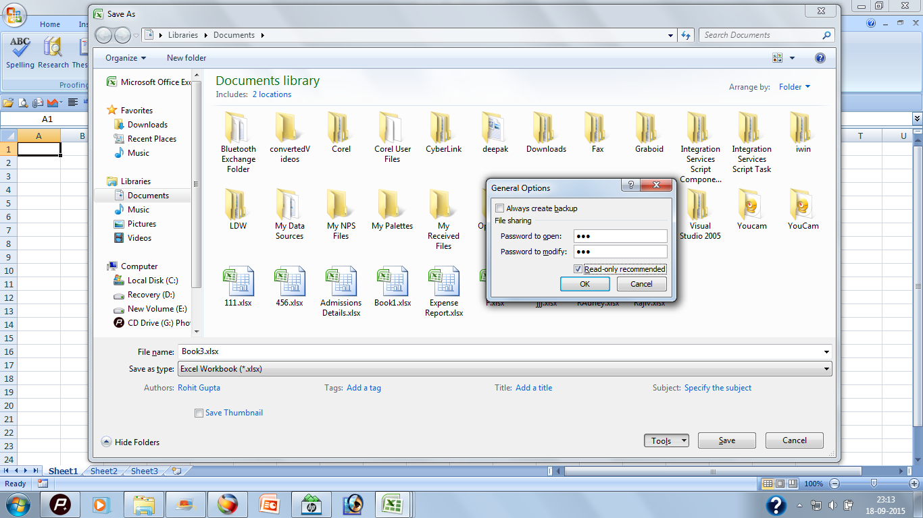
Home
Workbook Protection

1. Save as the existing file you want to protect.
2. Click on Tool Option and Select General Option.
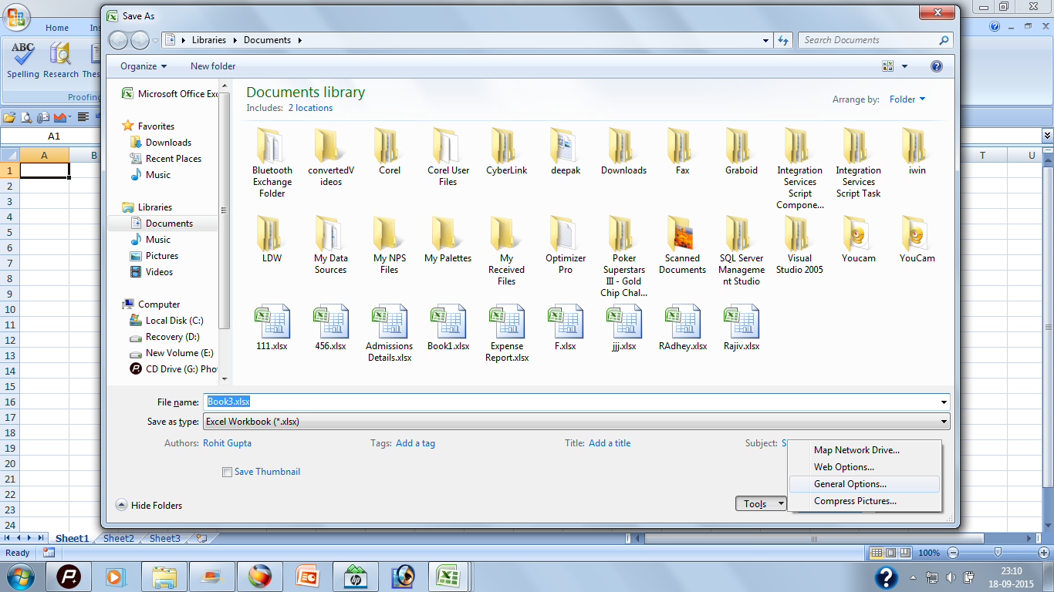

3. Click on General Options.
4. Enter Password to open and Password to modify.
5. Confirm both the password to match and then save as with the name you want to enter.

Filter and Advance Filter
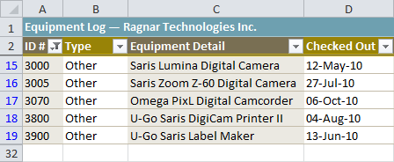
Filter in Excel

Filters can be used to narrow down the data in your worksheet and hide parts of it from view. While it may sound a little like grouping, filtering is different because it allows you to qualify and display only the data that interests you. For example, you could filter a list of survey participants to view only those who are between the ages of 25 and 34. You could also filter an inventory of paint colors to view anything that contains the word blue, such as bluebell or robin's egg blue. | 242

Home

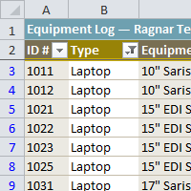

Filtering data

Filters can be applied in different ways to improve the performance of your worksheet. You can filter text, dates, and numbers. You can even use more than one filter to further narrow your results.

In this example, we'll filter the contents of an equipment log at a technology company. We'll display only the laptops and projectors that are available for checkout.

1. Begin with a worksheet that identifies each column using a header row.

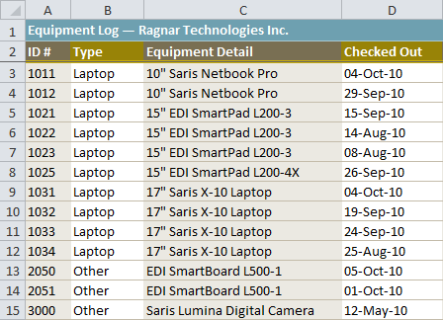

2. Select the Data tab, then locate the Sort & Filter group.

3. Click the Filter command.

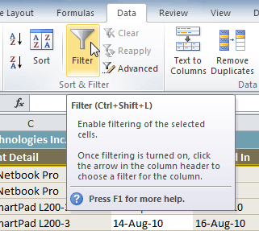

4. Drop-down arrows will appear in the header of each column.

5. Click the drop-down arrow for the column you want to filter. In this example, we'll filter the Type column to view only certain types of equipment.

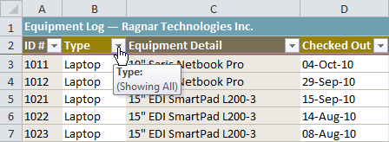

6. The Filter menu appears.

7. Uncheck the boxes next to the data you don't want to view, or uncheck the box next to Select All to quickly uncheck all.

8. Check the boxes next to the data you do want to view. In this example, we'll check Laptop and Projector to view only these types of equipment.

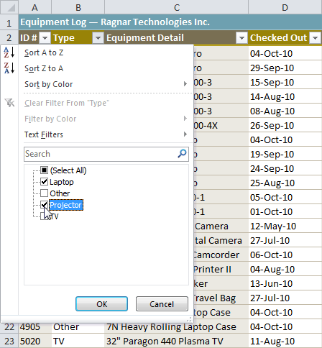

9. Click OK. All other data will be filtered, or temporarily hidden. Only laptops and projectors will be visible.

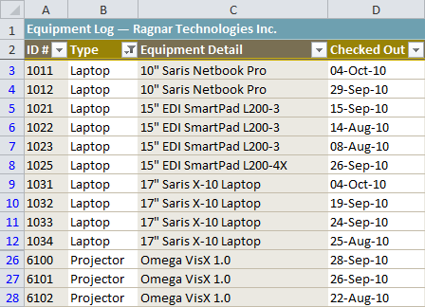

To add another filter:

Filters are additive, meaning you can use as many as you need to narrow your results. In this example, we'll work with a spreadsheet that has already been filtered to display only laptops and projectors. Now we'll display only laptops and projectors that were checked out during the month of August.

1. Click the drop-down arrow where you want to add a filter. In this example, we'll add a filter to the Checked Out column to view information by date.

2. Uncheck the boxes next to the data you don't want to view. Check the boxes next to the data you do want to view. In this example, we'll check the box next to August.

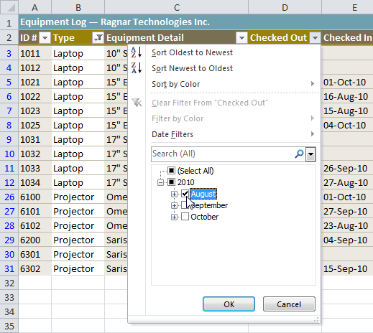

3. Click OK. In addition to the original filter, the new filter will be applied. The worksheet will be narrowed down even further.

To clear a filter:

1. Click the drop-down arrow in the column from which you want to clear the filter.

2. Choose Clear Filter From.

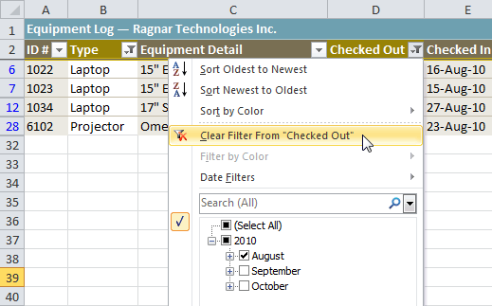

3. The filter will be cleared from the column. The data that was previously hidden will be on display once again.

To filter using search:

Searching for data is a convenient alternative to checking or unchecking data from the list. You can search for data that contains an exact phrase, number, date, or simple fragment. For example, searching for the exact phrase Saris X-10 Laptop will display only Saris X-10 laptops. Searching for the word Saris, however, will display Saris X-10 laptops and any other Saris equipment, including projectors and digital cameras.

1. From the Data tab, click the Filter command.

2. Click the drop-down arrow in the column you want to filter. In this example, we'll filter the Equipment Detail column to view only a specific brand.

3. Enter the data you want to view in the Search box. We'll enter the word Saris to find all Saris brand equipment. The search results will appear automatically.

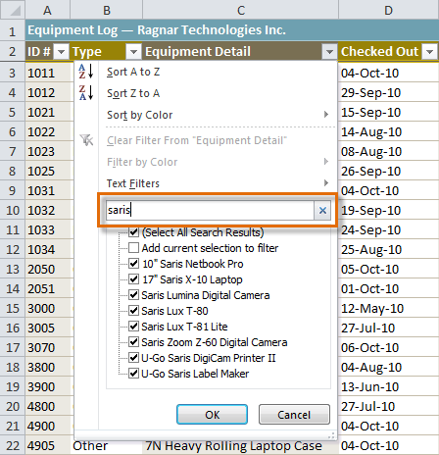

4. Check the boxes next to the data you want to display. We'll display all of the data that includes the brand name Saris.

5. Click OK. The worksheet will be filtered according to your search term.

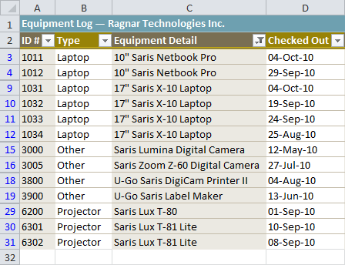

Using advanced text filters

Advanced text filters can be used to display more specific information, such as cells that contain a certain number of characters or data that does not contain a word you specify. In this example, we'll use advanced text filters to hide any equipment that is related to cameras, including digital cameras and camcorders.

1. From the Data tab, click the Filter command.

2. Click the drop-down arrow in the column of text you want to filter. In this example, we'll filter the Equipment Detail column to view only certain types of equipment.

3. Choose Text Filters to open the advanced filtering menu.

4. Choose a filter. In this example, we will choose Does Not Contain to view data that does not contain the text we specify.

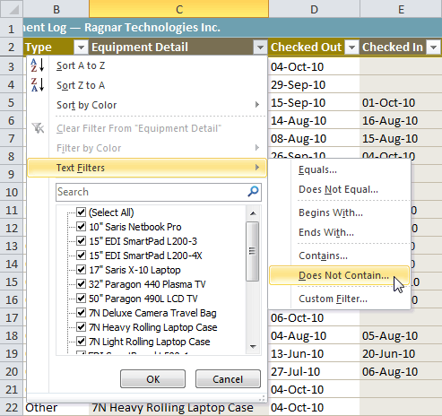

5. The Custom AutoFilter dialog box appears.

6. Enter your text to the right of your filter. In this example, we'll enter cam to view data that does not contain these letters. That will exclude any equipment related to cameras, such as digital cameras, camcorders, camera bags, and the digicam printer.

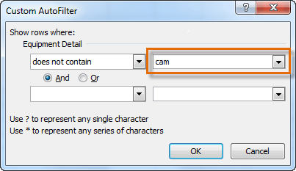

Using advanced date filters

Advanced date filters can be used to view information from a certain time period, such as last year, next quarter, or between two dates. Excel automatically knows your current date and time, making this tool easy to use. In this example, we'll use advanced date filters to view only the equipment that has been checked out this week.

1. From the Data tab, click the Filter command.

2. Click the drop-down arrow in the column of dates you want to filter. In this example, we'll filter the Checked Out column to view only a certain range of dates.

3. Choose Date Filters to open the advanced filtering menu.

4. Click a filter. We'll choose This Week to view equipment that has been checked out this week.

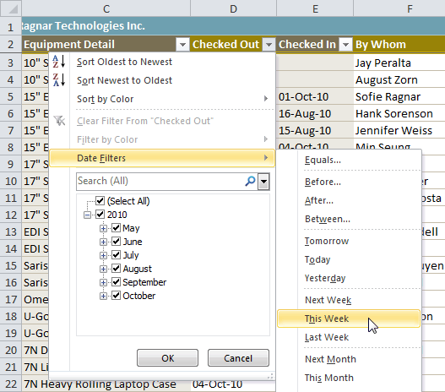

5. The worksheet will be filtered according to the date filter you chose.

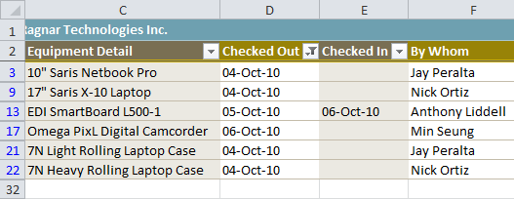

Using advanced number filters

Advanced number filters allow you to manipulate numbered data in different ways. For example, in a worksheet of exam grades you could display the top and bottom numbers to view the highest and lowest scores. In this example, we'll display only certain types of equipment based on the range of ID #s that have been assigned to them.

1. From the Data tab, click the Filter command.

2. Click the drop-down arrow in the column of numbers you want to filter. In this example, we'll filter the ID # column to view only a certain range of ID #s.

3. Choose Number Filters to open the advanced filtering menu.

4. Choose a filter. In this example, we'll choose Between to view ID #s between the numbers we specify.

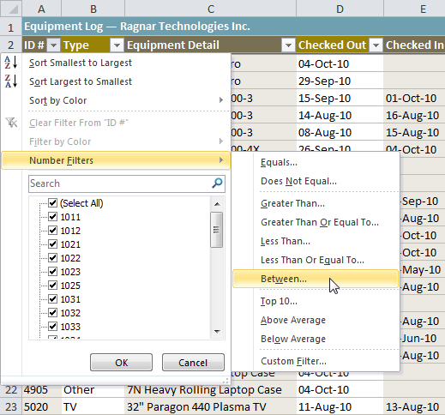

5. Enter a number to the right of each filter. In this example, we'll view ID #s greater than or equal to 3000 but less than or equal to 4000. This will display ID #s in the 3000-4000 range.

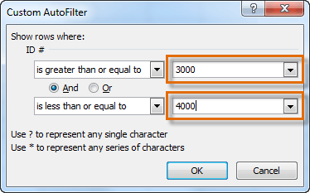

6. Click OK. The data will be filtered according to the filter you chose and the numbers you specified.

Sorting
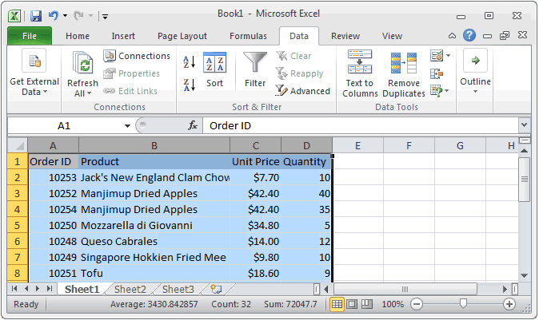
Sorting

This Excel tutorial explains how to sort data in alphabetical order based on one column in Excel 2010 (with screenshots and step-by-step instructions).

In Microsoft Excel 2010, I'm trying to put a chart in alphabetical order. There are 4 columns and over 2,000+ rows of information. I need to sort the data by column B (ie: Product column) in alphabetical order. How do I do this?

To apply a sort in Excel, highlight the data that you wish to sort. Then select the Data tab from the toolbar at the top of the screen and click on the Sort button in the Sort & Filter group.
Home
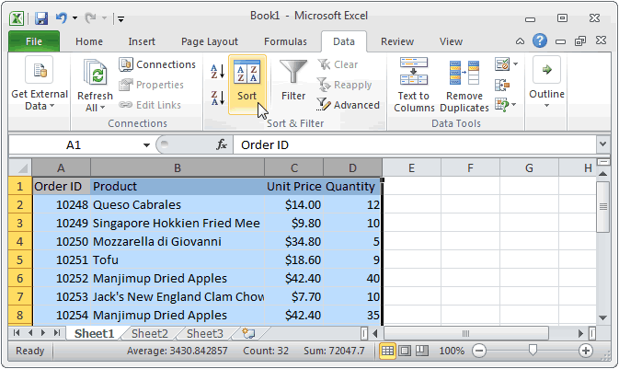

When the Sort window appears, select the data that you wish to sort by. In this example, we want to sort by the Product column (column B) in alphabetical order (A to Z). Click on the OK button.

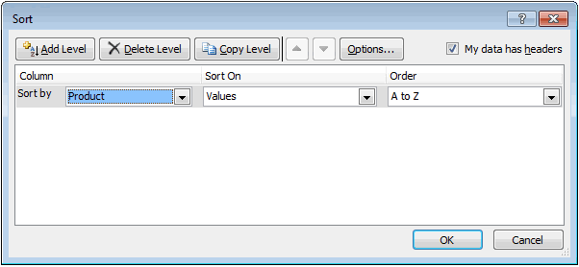

Now when you return to the spreadsheet, the data should be sorted.

Indirect
Home
Indirect Function | 11552 | 198 | 22 | Row ID | Order ID | Order Date | Order Priority | Order Quantity | Sales | Row ID | Order Quantity
 |  | 590 |  | 6765 | 48192 | 17-Dec-13 | dsad | 15 | 2277.67 | 6765 | #NAME?
The Microsoft Excel INDIRECT function returns the reference to a cell based on its string representation. | Indirect Function | 258 |  | 193 | 1285 | 1-Jun-16 | dsad | 27 | 3874.12 | 193 | #NAME?
 |  | 371 |  | 7321 | 52194 | 12-Dec-14 | dsad | 12 | 1551.34 | 7321 | #NAME?
Syntax: | 11552 | 655 |  | 2302 | 16582 | 2-Oct-15 | sd | 26 | 6766.856 | 2302 | #NAME?
 | 525.09090909 | 795 |  | 2056 | 14693 | 10-Jan-15 | sds | 38 | 847.82 | 1111 | #NAME?
INDIRECT( string_reference, [ref_style] ) | 22 | 924 |  | 297 | 2053 | 7-Feb-15 | dsad | 39 | 19342.84
 | 936 | 475 |  | 2635 | 19074 | 26-Jun-16 | dsad | 17 | 3816.59
Parameters: | 108 | 108 |  | 3749 | 26784 | 24-Jul-14 | dsad | 12 | 1466.95
 |  | 884 |  | 5987 | 42437 | 6-Mar-16 | Critical | 43 | 19461.8
string_reference:- A textual representation of a cell reference. |  | 408 |  | 6358 | 45120 | 10-Apr-13 | Critical | 39 | 14591.44
ref_style:- Optional. It is either a TRUE or FALSE value. TRUE indicates that string_reference will be interpreted as an A1-style reference. FALSE indicates that string_reference will be interpreted as an R1C1-style reference. If this parameter is omitted, it will interpret string_reference as an A1-style. |  | 654 |  | 7096 | 50656 | 26-Oct-13 | Critical | 31 | 16451.33
 |  | 936 |  | 4255 | 30279 | 8-Dec-15 | Critical | 39 | 19539.94
 |  | 656 |  | 4074 | 29028 | 6-Feb-15 | Critical | 43 | 17131.36
 |  | 458 |  | 823 | 5954 | 3-Dec-16 | Critical | 32
 |  | 404 |  | 6122 | 43362 | 13-Jan-13 | Critical | 45
 |  | 791 |  | 6124 | 43363 | 6-Sep-15 | Critical | 35 | 12908.4
 |  | 125 |  | 3862 | 27554 | 11-Mar-15 | Critical | 45 | 12685.544
 |  | 612 |  | 4680 | 33287 | 23-Apr-15 | Critical | 44 | 11904.55
 |  | 756 |  | 5986 | 42436 | 10-Aug-16 | Critical | 30 | 10994.74
 |  | 368 |  | 5260 | 37441 | 25-Feb-13 | Critical | 46 | 14740.51
 |  | 126 |  | 6765 | 48192 | 17-Dec-13 | Critical | 15 | 2277.67
 |  |  |  | 193 | 1285 | 1-Jun-16 | Critical | 27 | 3874.12
 |  |  |  | 7321 | 52194 | 12-Dec-14 | Critical | 12 | 1551.34
 |  |  |  | 2302 | 16582 | 2-Oct-15 | Critical | 26 | 6766.856
 |  |  |  | 2056 | 14693 | 10-Jan-15 | Critical | 38 | 847.82
 |  |  |  | 297 | 2053 | 7-Feb-15 | Critical | 39 | 19342.84
 |  |  |  | 2635 | 19074 | 26-Jun-16 | Critical | 17 | 3816.59
 |  |  |  | 3749 | 26784 | 24-Jul-14 | Critical | 12 | 1466.95
 |  |  |  | 5987 | 42437 | 6-Mar-16 | Critical | 43 | 19461.8
 |  |  |  | 6358 | 45120 | 10-Apr-13 | Critical | 39 | 14591.44
 |  |  |  | 7096 | 50656 | 26-Oct-13 | Critical | 31 | 16451.33
 |  |  |  | 4255 | 30279 | 8-Dec-15 | Critical | 39 | 19539.94
 |  |  |  | 4074 | 29028 | 6-Feb-15 | Critical | 43 | 17131.36
 |  |  |  | 823 | 5954 | 3-Dec-16 | Critical | 32
 |  |  |  | 6122 | 43362 | 13-Jan-13 | Critical | 45
 |  |  |  | 6124 | 43363 | 6-Sep-15 | Critical | 35 | 12908.4
 |  |  |  | 3862 | 27554 | 11-Mar-15 | Critical | 45 | 12685.544
 |  |  |  | 4680 | 33287 | 23-Apr-15 | Critical | 44 | 11904.55
 |  |  |  | 5986 | 42436 | 10-Aug-16 | Critical | 30 | 10994.74
 |  |  |  | 5260 | 37441 | 25-Feb-13 | Critical | 46 | 14740.51
 |  |  |  | 6765 | 48192 | 17-Dec-13 | Critical | 15 | 2277.67
 |  |  |  | 193 | 1285 | 1-Jun-16 | Critical | 27 | 3874.12
 |  |  |  | 7321 | 52194 | 12-Dec-14 | Critical | 12 | 1551.34
 |  |  |  | 2302 | 16582 | 2-Oct-15 | Critical | 26 | 6766.856
 |  |  |  | 2056 | 14693 | 10-Jan-15 | Critical | 38 | 847.82
 |  |  |  | 297 | 2053 | 7-Feb-15 | Critical | 39 | 19342.84
 |  |  |  | 2635 | 19074 | 26-Jun-16 | Critical | 17 | 3816.59
 |  |  |  | 3749 | 26784 | 24-Jul-14 | Critical | 12 | 1466.95
 |  |  |  | 5987 | 42437 | 6-Mar-16 | Critical | 43 | 19461.8
 |  |  |  | 6358 | 45120 | 10-Apr-13 | Critical | 39 | 14591.44
 |  |  |  | 7096 | 50656 | 26-Oct-13 | Critical | 31 | 16451.33
 |  |  |  | 4255 | 30279 | 8-Dec-15 | Critical | 39 | 19539.94
 |  |  |  | 4074 | 29028 | 6-Feb-15 | Critical | 43 | 17131.36
 |  |  |  | 823 | 5954 | 3-Dec-16 | Critical | 32
 |  |  |  | 6122 | 43362 | 13-Jan-13 | Critical | 45
 |  |  |  | 6124 | 43363 | 6-Sep-15 | Critical | 35 | 12908.4
 |  |  |  | 3862 | 27554 | 11-Mar-15 | Critical | 45 | 12685.544
 |  |  |  | 4680 | 33287 | 23-Apr-15 | Critical | 44 | 11904.55
 |  |  |  | 5986 | 42436 | 10-Aug-16 | Critical | 30 | 10994.74
 |  |  |  | 5260 | 37441 | 25-Feb-13 | Critical | 46 | 14740.51
 |  |  |  | 6765 | 48192 | 17-Dec-13 | Critical | 15 | 2277.67
 |  |  |  | 193 | 1285 | 1-Jun-16 | Critical | 27 | 3874.12
 |  |  |  | 7321 | 52194 | 12-Dec-14 | Critical | 12 | 1551.34
 |  |  |  | 2302 | 16582 | 2-Oct-15 | Critical | 26 | 6766.856
 |  |  |  | 2056 | 14693 | 10-Jan-15 | Critical | 38 | 847.82
 |  |  |  | 297 | 2053 | 7-Feb-15 | Critical | 39 | 19342.84
 |  |  |  | 2635 | 19074 | 26-Jun-16 | Critical | 17 | 3816.59
 |  |  |  | 3749 | 26784 | 24-Jul-14 | Critical | 12 | 1466.95
 |  |  |  | 5987 | 42437 | 6-Mar-16 | Critical | 43 | 19461.8
 |  |  |  | 6358 | 45120 | 10-Apr-13 | Critical | 39 | 14591.44
 |  |  |  | 7096 | 50656 | 26-Oct-13 | Critical | 31 | 16451.33
 |  |  |  | 4255 | 30279 | 8-Dec-15 | Critical | 39 | 19539.94
 |  |  |  | 4074 | 29028 | 6-Feb-15 | Critical | 43 | 17131.36
 |  |  |  | 823 | 5954 | 3-Dec-16 | Critical | 32
 |  |  |  | 6122 | 43362 | 13-Jan-13 | Critical | 45
 |  |  |  | 6124 | 43363 | 6-Sep-15 | Critical | 35 | 12908.4
 |  |  |  | 3862 | 27554 | 11-Mar-15 | Critical | 45 | 12685.544
 |  |  |  | 4680 | 33287 | 23-Apr-15 | Critical | 44 | 11904.55
 |  |  |  | 5986 | 42436 | 10-Aug-16 | Critical | 30 | 10994.74
 |  |  |  | 5260 | 37441 | 25-Feb-13 | Critical | 46 | 14740.51
 |  |  |  | 6765 | 48192 | 17-Dec-13 | Critical | 15 | 2277.67
 |  |  |  | 193 | 1285 | 1-Jun-16 | Critical | 27 | 3874.12
 |  |  |  | 7321 | 52194 | 12-Dec-14 | Critical | 12 | 1551.34
 |  |  |  | 2302 | 16582 | 2-Oct-15 | Critical | 26 | 6766.856
 |  |  |  | 2056 | 14693 | 10-Jan-15 | Critical | 38 | 847.82
 |  |  |  | 297 | 2053 | 7-Feb-15 | Critical | 39 | 19342.84
 |  |  |  | 2635 | 19074 | 26-Jun-16 | Critical | 17 | 3816.59
 |  |  |  | 3749 | 26784 | 24-Jul-14 | Critical | 12 | 1466.95
 |  |  |  | 5987 | 42437 | 6-Mar-16 | Critical | 43 | 19461.8
 |  |  |  | 6358 | 45120 | 10-Apr-13 | Critical | 39 | 14591.44
 |  |  |  | 7096 | 50656 | 26-Oct-13 | Critical | 31 | 16451.33
 |  |  |  | 4255 | 30279 | 8-Dec-15 | Critical | 39 | 19539.94
 |  |  |  | 4074 | 29028 | 6-Feb-15 | Critical | 43 | 17131.36
 |  |  |  | 823 | 5954 | 3-Dec-16 | Critical | 32
 |  |  |  | 6122 | 43362 | 13-Jan-13 | Critical | 45
 |  |  |  | 6124 | 43363 | 6-Sep-15 | Critical | 35 | 12908.4
 |  |  |  | 3862 | 27554 | 11-Mar-15 | Critical | 45 | 12685.544
 |  |  |  | 4680 | 33287 | 23-Apr-15 | Critical | 44 | 11904.55
 |  |  |  | 5986 | 42436 | 10-Aug-16 | Critical | 30 | 10994.74
 |  |  |  | 5260 | 37441 | 25-Feb-13 | Critical | 46 | 14740.51
 |  |  |  | 6765 | 48192 | 17-Dec-13 | Critical | 15 | 2277.67
 |  |  |  | 193 | 1285 | 1-Jun-16 | Critical | 27 | 3874.12
 |  |  |  | 7321 | 52194 | 12-Dec-14 | Critical | 12 | 1551.34
 |  |  |  | 2302 | 16582 | 2-Oct-15 | Critical | 26 | 6766.856
 |  |  |  | 2056 | 14693 | 10-Jan-15 | Critical | 38 | 847.82
 |  |  |  | 297 | 2053 | 7-Feb-15 | Critical | 39 | 19342.84
 |  |  |  | 2635 | 19074 | 26-Jun-16 | Critical | 17 | 3816.59
 |  |  |  | 3749 | 26784 | 24-Jul-14 | Critical | 12 | 1466.95
 |  |  |  | 5987 | 42437 | 6-Mar-16 | Critical | 43 | 19461.8
 |  |  |  | 6358 | 45120 | 10-Apr-13 | Critical | 39 | 14591.44
 |  |  |  | 7096 | 50656 | 26-Oct-13 | Critical | 31 | 16451.33
 |  |  |  | 4255 | 30279 | 8-Dec-15 | Critical | 39 | 19539.94
 |  |  |  | 4074 | 29028 | 6-Feb-15 | Critical | 43 | 17131.36
 |  |  |  | 823 | 5954 | 3-Dec-16 | Critical | 32
 |  |  |  | 6122 | 43362 | 13-Jan-13 | Critical | 45
 |  |  |  | 6124 | 43363 | 6-Sep-15 | Critical | 35 | 12908.4
 |  |  |  | 3862 | 27554 | 11-Mar-15 | Critical | 45 | 12685.544
 |  |  |  | 4680 | 33287 | 23-Apr-15 | Critical | 44 | 11904.55
 |  |  |  | 5986 | 42436 | 10-Aug-16 | Critical | 30 | 10994.74
 |  |  |  | 5260 | 37441 | 25-Feb-13 | Critical | 46 | 14740.51
 |  |  |  | 6765 | 48192 | 17-Dec-13 | Critical | 15 | 2277.67
 |  |  |  | 193 | 1285 | 1-Jun-16 | Critical | 27 | 3874.12
 |  |  |  | 7321 | 52194 | 12-Dec-14 | Critical | 12 | 1551.34
 |  |  |  | 2302 | 16582 | 2-Oct-15 | Critical | 26 | 6766.856
 |  |  |  | 2056 | 14693 | 10-Jan-15 | Critical | 38 | 847.82
 |  |  |  | 297 | 2053 | 7-Feb-15 | Critical | 39 | 19342.84
 |  |  |  | 2635 | 19074 | 26-Jun-16 | Critical | 17 | 3816.59
 |  |  |  | 3749 | 26784 | 24-Jul-14 | Critical | 12 | 1466.95
 |  |  |  | 5987 | 42437 | 6-Mar-16 | Critical | 43 | 19461.8
 |  |  |  | 6358 | 45120 | 10-Apr-13 | Critical | 39 | 14591.44
 |  |  |  | 7096 | 50656 | 26-Oct-13 | Critical | 31 | 16451.33
 |  |  |  | 4255 | 30279 | 8-Dec-15 | Critical | 39 | 19539.94
 |  |  |  | 4074 | 29028 | 6-Feb-15 | Critical | 43 | 17131.36
 |  |  |  | 823 | 5954 | 3-Dec-16 | Critical | 32
 |  |  |  | 6122 | 43362 | 13-Jan-13 | Critical | 45
 |  |  |  | 6124 | 43363 | 6-Sep-15 | Critical | 35 | 12908.4
 |  |  |  | 3862 | 27554 | 11-Mar-15 | Critical | 45 | 12685.544
 |  |  |  | 4680 | 33287 | 23-Apr-15 | Critical | 44 | 11904.55
 |  |  |  | 5986 | 42436 | 10-Aug-16 | Critical | 30 | 10994.74
 |  |  |  | 5260 | 37441 | 25-Feb-13 | Critical | 46 | 14740.51
 |  |  |  | 6765 | 48192 | 17-Dec-13 | Critical | 15 | 2277.67
 |  |  |  | 193 | 1285 | 1-Jun-16 | Critical | 27 | 3874.12
 |  |  |  | 7321 | 52194 | 12-Dec-14 | Critical | 12 | 1551.34
 |  |  |  | 2302 | 16582 | 2-Oct-15 | Critical | 26 | 6766.856
 |  |  |  | 2056 | 14693 | 10-Jan-15 | Critical | 38 | 847.82
 |  |  |  | 297 | 2053 | 7-Feb-15 | Critical | 39 | 19342.84
 |  |  |  | 2635 | 19074 | 26-Jun-16 | Critical | 17 | 3816.59
 |  |  |  | 3749 | 26784 | 24-Jul-14 | Critical | 12 | 1466.95
 |  |  |  | 5987 | 42437 | 6-Mar-16 | Critical | 43 | 19461.8
 |  |  |  | 6358 | 45120 | 10-Apr-13 | Critical | 39 | 14591.44
 |  |  |  | 7096 | 50656 | 26-Oct-13 | Critical | 31 | 16451.33
 |  |  |  | 4255 | 30279 | 8-Dec-15 | Critical | 39 | 19539.94
 |  |  |  | 4074 | 29028 | 6-Feb-15 | Critical | 43 | 17131.36
 |  |  |  | 823 | 5954 | 3-Dec-16 | Critical | 32
 |  |  |  | 6122 | 43362 | 13-Jan-13 | Critical | 45
 |  |  |  | 6124 | 43363 | 6-Sep-15 | Critical | 35 | 12908.4
 |  |  |  | 3862 | 27554 | 11-Mar-15 | Critical | 45 | 12685.544
 |  |  |  | 4680 | 33287 | 23-Apr-15 | Critical | 44 | 11904.55
 |  |  |  | 5986 | 42436 | 10-Aug-16 | Critical | 30 | 10994.74
 |  |  |  | 5260 | 37441 | 25-Feb-13 | Critical | 46 | 14740.51
 |  |  |  | 1111 |  |  |  | 100

Offset
Home
Offset |  |  |  |  | 54 | 79 | 53 | 89 | 61 | 26 | 7 | 7 | 7 | 7 | 7 | 7 | Validation | Policy Status | Policy Status | Product Category | Product Sub-Category | Product Category | Product Category | Product Sub-Category |  | Q1 | Q2 | Q3 | Q4 | Q4 | 479
 |  |  |  |  |  | 40 | 17 | 17 | 54 | 47 | 27 | 27 | 27 | 27 | 27 | 27 |  | Completed | Completed | Furniture | Bookcases | Furniture | B | B1 |  | 79 | 35 | 38 | 12
 |  |  |  |  | 16794 | 3 | 69 | 122 | 33 | 29 | 20 | 20 | 20 | 20 | 20 | 20 |  | On Hold | On Hold | Furniture | Tables | Office Supplies |  |  |  | 42 | 15 | 48 | 18
The Microsoft Excel OFFSET function returns a reference to a range that is offset a number of rows and columns from another range or cell. |  |  |  |  |  | 86 | 85 | 66 | 16 | 18 | 54 | 54 | 54 | 54 | 54 | 54 |  | Processed |  | Furniture | Chairs & Chairmats | Technology |  |  |  | 26 | 69 | 60 | 31
 |  |  |  |  |  | 59 | 65 | 46 | 80 | 39 | 87 | 87 | 87 | 87 | 87 | 87 |  | x |  | Furniture | Office Furnishings | A | No. of Rows | Match | 20 | 71 | 58 | 68 | 57
Syntax: OFFSET( range, rows, columns, [height], [width] ) |  |  |  |  |  | 27 | 89 | 58 | 9 | 28 | 33 | 33 | 33 | 33 | 33 | 33 |  | y |  | Office Supplies | Storage & Organization | B | No. of Columns | No |  | 57 | 37 | 23 | 13
 |  |  |  |  |  | 56 | 63 | 62 | 47 | 12 | 40 | 40 | 40 | 40 | 40 | 40 |  | z |  | Office Supplies | Appliances |  | Height | Countif | 2 | 32 | 27 | 45 | 46
range:- The starting range from which the offset will be applied. |  |  |  |  |  | 6 | 88 | 2 | 42 | 22 | 11 | 11 | 11 | 11 | 11 | 11 |  | 33 |  | Office Supplies | Binders and Binder Accessories |  | Width | 1 |  | 53 | 42 | 66 | 74
rows:- The number of rows to apply as the offset to the range. This can be a positive or negative number. |  |  |  |  |  | 41 | 82 | 63 | 32 | 65 | 61 | 61 | 61 | 61 | 61 | 61 |  |  |  | Office Supplies | Envelopes |  |  |  |  | 73 | 58 | 68 | 76
columns:- The number of columns to apply as the offset to the range. This can be a positive or negative number. |  |  |  |  |  | 61 | 2 | 57 | 12 | 21 | 23 | 23 | 23 | 23 | 23 | 23 |  |  |  | Office Supplies | Paper |  |  |  |  | 73 | 58 | 68 | 76
heights:- Optional. It is the number of rows that you want the returned range to be. If this parameter is omitted, it is assumed to be the height of range. |  |  |  |  |  | 86 | 31 | 83 | 59 | 59 | 34 | 34 | 34 | 34 | 34 | 34 |  |  |  | Office Supplies | Pens & Art Supplies |  |  |  |  | 73 | 58 | 68 | 76
width:- Optional. It is the number of columns that you want the returned range to be. If this parameter is omitted, it is assumed to be the width of range. |  |  |  |  |  | 74 | 16 | 77 | 16 | 52 | 67 | 67 | 67 | 67 | 67 | 67 |  |  |  | Office Supplies | Labels
 |  |  |  |  |  | 76 | 62 | 43 | 3 | 74 | 56 | 56 | 56 | 56 | 56 | 56 |  |  |  | Office Supplies | Scissors, Rulers and Trimmers
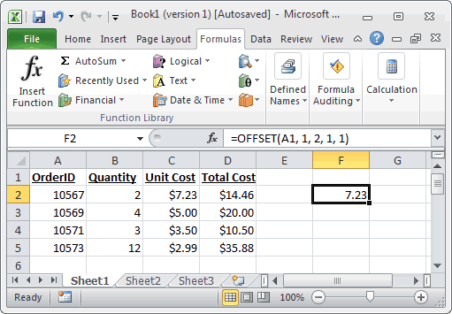
 |  |  |  |  |  | 14 | 31 | 60 | 74 | 29 | 36 | 36 | 36 | 36 | 36 | 36 |  |  |  | Office Supplies | Rubber Bands
 |  |  |  |  |  | 14 | 31 | 60 | 74 | 29 | 36 | 36 | 36 | 36 | 36 | 36 |  |  |  | Technology | Copiers and Fax
 |  |  |  |  |  | 14 | 31 | 60 | 74 | 29 | 36 | 36 | 36 | 36 | 36 | 36 |  |  |  | Technology | Office Machines
 |  |  |  |  |  | 14 | 31 | 60 | 74 | 29 | 36 | 36 | 36 | 36 | 36 | 36 |  |  |  | Technology | Telephones and Communication
 |  |  |  |  |  | 14 | 31 | 60 | 74 | 29 | 36 | 36 | 36 | 36 | 36 | 36 |  |  |  | Technology | Computer Peripherals
 |  |  |  |  |  | 79 | 53 | 89 | 61 | 26 | 7 | 7 | 7 | 7 | 7 | 7 |  |  |  | A | A1
 |  |  |  |  |  | 40 | 17 | 17 | 54 | 47 | 27 | 27 | 27 | 27 | 27 | 27 |  |  |  | A | A2
 |  |  |  |  |  | 3 | 69 | 122 | 33 | 29 | 20 | 20 | 20 | 20 | 20 | 20 |  |  |  | A | A3
 |  |  |  |  |  | 86 | 85 | 66 | 16 | 18 | 54 | 54 | 54 | 54 | 54 | 54 |  |  |  | B | B1
 |  |  |  |  |  | 59 | 65 | 46 | 80 | 39 | 87 | 87 | 87 | 87 | 87 | 87 |  |  |  | B | B2
 |  |  |  |  |  | 27 | 89 | 58 | 9 | 28 | 33 | 33 | 33 | 33 | 33 | 33
 |  |  |  |  |  | 56 | 63 | 62 | 47 | 12 | 40 | 40 | 40 | 40 | 40 | 40
 |  |  |  |  |  | 6 | 88 | 2 | 42 | 22 | 11 | 11 | 11 | 11 | 11 | 11
 |  |  |  |  |  | 41 | 82 | 63 | 32 | 65 | 61 | 61 | 61 | 61 | 61 | 61
 |  |  |  |  |  | 61 | 2 | 57 | 12 | 21 | 23 | 23 | 23 | 23 | 23 | 23
 |  |  |  |  |  | 86 | 31 | 83 | 59 | 59 | 34 | 34 | 34 | 34 | 34 | 34
 |  |  |  |  |  | 74 | 16 | 77 | 16 | 52 | 67 | 67 | 67 | 67 | 67 | 67
 |  |  |  |  |  | 76 | 62 | 43 | 3 | 74 | 56 | 56 | 56 | 56 | 56 | 56
Example:- |  |  |  |  |  | 14 | 31 | 60 | 74 | 29 | 36 | 36 | 36 | 36 | 36 | 36
 |  |  |  |  |  | 14 | 31 | 60 | 74 | 29 | 36 | 36 | 36 | 36 | 36 | 36
Order ID | Quantity | Unit Cost | Total Cost | 4.56 |  | 14 | 31 | 60 | 74 | 29 | 36 | 36 | 36 | 36 | 36 | 36
10567 | 2 | 1.23 | ₹ 2.46 |  |  | 14 | 31 | 60 | 74 | 29 | 36 | 36 | 36 | 36 | 36 | 36
10568 | 3 | 4.56 | ₹ 13.68 |  |  | 14 | 31 | 60 | 74 | 29 | 36 | 36 | 36 | 36 | 36 | 36
10569 | 12 | 7.34 | ₹ 88.08
10570 | 5 | 12.2 | ₹ 61.00

 | Function |  | Output

 | =OFFSET(A35,2,2,1,1) |  | 7.34

 | =OFFSET(B38,-2,-1,1,1) |  | 10568

Choose
Choose

Home
The Microsoft Excel CHOOSE function returns a value from a list of values based on a given position.

Syntax: CHOOSE( position, value1, [value2, ... value_n] )

position:-The position number in the list of values to return. It must be a number between 1 and 29
value1, value2, ... value_n:- A list of up to 29 values. A value can be any one of the following: a number, a cell reference, a defined name, a formula/function, or a text value.

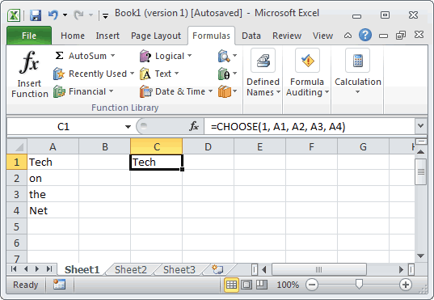

Example:-
 |  |  |  |  |  |  | 4
Hi |  | Function |  |  | Output
Hello |  |  |  |  |  | Hi | Sorry
Welcome | Hello | =CHOOSE(1,A31,A32,A33,A34) |  |  | Hi | Hello
Sorry | Sorry |  |  |  |  | Welcome
 |  |  |  |  |  | Sorry
 |  | =CHOOSE(2,"Hi","Hello","Welcome","Sorry") |  |  | Hello

 |  | =CHOOSE(2,A31,A32,A33,A34) |  |  | Hello

 |  | =CHOOSE(5,A31,A32,A33,A34) |  |  | #VALUE!

 |  | =CHOOSE(3.2,A31,A32,A33,A34) |  |  | Welcome

 |  | =CHOOSE(3.75,A31,A32,A33,A34) |  |  | Welcome

 |  | 1 | 2 | 3 | 3
 | 3 | 2001 | 2002 | 2003 | 17.833333333
Hello | Sorry | 18 | 33 | 26
Welcome |  | 22 | 43 | 13
Sorry |  | 35 | 36 | 16
 |  | 47 | 31 | 29
 |  | 35 | 27 | 11
 |  | 48 | 40 | 12

Working
Home
Row ID | Order ID | Order Date | Order Priority | Order Quantity | Unit Price | Amount | Ship Mode |  | Row ID | Order ID | Order Date | Order Priority | Order Quantity | Unit Price | Amount | Ship Mode | Row ID | Order ID | Order Date | Order Priority | Order Quantity | Unit Price | Amount | Ship Mode | Row ID | Order ID | Order Date | Order Priority | Order Quantity | Unit Price | Amount | Ship Mode | Row ID | Order ID | Order Date | Order Priority | Order Quantity | Unit Price | Amount | Ship Mode | Row ID | Order ID | Order Date | Order Priority | Order Quantity | Unit Price | Amount | Ship Mode | Row ID | Order ID | Order Date | Order Priority | Order Quantity | Unit Price | Amount | Ship Mode | Row ID | Order ID | Order Date | Order Priority | Order Quantity | Unit Price | Amount | Ship Mode | Row ID | Order ID | Order Date | Order Priority | Order Quantity | Unit Price | Amount in Mn | Ship Mode | 1.00E+06 | Ship Mode | Regular Air | Row ID | 1 | 49 | 50 | 80 | 85 | 86 | 97 | 98 | 103 | 107 | 127 | 128 | 134 | 135 | 149 | 160 | Row ID | Order ID | Order Date | Order Priority | Order Quantity | Unit Price | Amount in Mn | Ship Mode | xx
1 | 3 | 14-Oct-14 | Low | 6 | 262 | 1,569 | Regular Air |  | 1 | 3 | 40464 | Low | 6 | 261.54 | 1569.24 | Regular Air | 1 | 3 | 14-Oct-14 | Low | 6 | 262 | 1,569 | Regular Air | 1 | 3 | 40464 | Low | 6 | 261.54 | 1569.24 | Regular Air | 1 | 3 | 40464 | Low | 6 | 261.54 | 1569.24 | Regular Air | 1 | 3 | 14-Oct-14 | Low | 6 | 262 | 1,569 | Regular Air | 1 | 3 | 14-Oct-14 | Low | 6 | 262 | 1,569 | Regular Air | 1 | 3 | 14-Oct-14 | Low | 6 | 262 | 1,569 | Regular Air | 1 | 3 | 14-Oct-14 | Low | 6 | 262 | 3.1 | Regular Air |  | Regular Air | Express Air | Order ID | 3 | 293 | 293 | 483 | 515 | 515 | 613 | 613 | 643 | 678 | 807 | 807 | 868 | 868 | 933 | 995 | 1 | 3 | 14-Oct-14 | Low | 6 | 262 | 3.5 | Regular Air | 3.5
49 | 293 | 2-Oct-16 | High | 49 | 10,123 | 496,028 | Delivery Truck |  | 49 | 293 | 41183 | High | 49 | 10123.02 | 496027.98 | Delivery Truck | 49 | 293 | 2-Oct-16 | High | 49 | 10,123 | 496,028 | Delivery Truck | 49 | 293 | 41183 | High | 49 | 10123.02 | 496027.98 | Delivery Truck | 49 | 293 | 41183 | High | 49 | 10123.02 | 496027.98 | Delivery Truck | 49 | 293 | 2-Oct-16 | High | 49 | 10,123 | 496,028 | Delivery Truck | 49 | 293 | 2-Oct-16 | High | 49 | 10,123 | 496,028 | Delivery Truck | 49 | 293 | 2-Oct-16 | High | 49 | 10,123 | 496,028 | Delivery Truck | 49 | 293 | 2-Oct-16 | High | 49 | 10,123 | 992.1 | Delivery Truck |  | Delivery Truck |  | Order Date | 14-Oct-14 | 2-Oct-16 | 2-Oct-16 | 11-Jul-15 | 29-Aug-14 | 29-Aug-14 | 18-Jun-15 | 18-Jun-15 | 25-Mar-15 | 27-Feb-14 | 24-Nov-14 | 24-Nov-14 | 9-Jun-16 | 9-Jun-16 | 5-Aug-16 | 31-May-15 | 49 | 293 | 2-Oct-16 | High | 49 | 10,123 | 992.1 | Delivery Truck
50 | 293 | 2-Oct-16 | High | 27 | 245 | 6,603 | Regular Air |  | 50 | 293 | 41183 | High | 27 | 244.57 | 6603.39 | Regular Air | 50 | 293 | 2-Oct-16 | High | 27 | 245 | 6,603 | Regular Air | 50 | 293 | 41183 | High | 27 | 244.57 | 6603.39 | Regular Air | 50 | 293 | 41183 | High | 27 | 244.57 | 6603.39 | Regular Air | 50 | 293 | 2-Oct-16 | High | 27 | 245 | 6,603 | Regular Air | 50 | 293 | 2-Oct-16 | High | 27 | 245 | 6,603 | Regular Air | 50 | 293 | 2-Oct-16 | High | 27 | 245 | 6,603 | Regular Air | 50 | 293 | 2-Oct-16 | High | 27 | 245 | 13.2 | Regular Air |  | Express Air |  | Order Priority | Low | High | High | High | Not Specified | Not Specified | High | High | High | Low | Medium | Medium | Not Specified | Not Specified | Not Specified | Medium | 50 | 293 | 2-Oct-16 | High | 27 | 245 | 13.2 | Regular Air
80 | 483 | 11-Jul-15 | High | 30 | 4,966 | 148,973 | Regular Air |  | 80 | 483 | 40734 | High | 30 | 4965.7595 | 148972.785 | Regular Air | 80 | 483 | 11-Jul-15 | High | 30 | 4,966 | 148,973 | Regular Air | 80 | 483 | 40734 | High | 30 | 4965.7595 | 148972.785 | Regular Air | 80 | 483 | 40734 | High | 30 | 4965.7595 | 148972.785 | Regular Air | 80 | 483 | 11-Jul-15 | High | 30 | 4,966 | 148,973 | Regular Air | 80 | 483 | 11-Jul-15 | High | 30 | 4,966 | 148,973 | Regular Air | 80 | 483 | 11-Jul-15 | High | 30 | 4,966 | 148,973 | Regular Air | 80 | 483 | 11-Jul-15 | High | 30 | 4,966 | 297.9 | Regular Air |  |  |  | Order Quantity | 6 | 49 | 27 | 30 | 19 | 21 | 12 | 22 | 21 | 44 | 45 | 32 | 32 | 31 | 15 | 46 | 80 | 483 | 11-Jul-15 | High | 30 | 4,966 | 297.9 | Regular Air
85 | 515 | 29-Aug-14 | Not Specified | 19 | 394 | 7,491 | Regular Air |  | 85 | 515 | 40418 | Not Specified | 19 | 394.27 | 7491.13 | Regular Air | 85 | 515 | 29-Aug-14 | Not Specified | 19 | 394 | 7,491 | Regular Air | 85 | 515 | 40418 | Not Specified | 19 | 394.27 | 7491.13 | Regular Air | 85 | 515 | 40418 | Not Specified | 19 | 394.27 | 7491.13 | Regular Air | 85 | 515 | 29-Aug-14 | Not Specified | 19 | 394 | 7,491 | Regular Air | 85 | 515 | 29-Aug-14 | Not Specified | 19 | 394 | 7,491 | Regular Air | 85 | 515 | 29-Aug-14 | Not Specified | 19 | 394 | 7,491 | Regular Air | 85 | 515 | 29-Aug-14 | Not Specified | 19 | 394 | 15.0 | Regular Air |  |  |  | Unit Price | 262 | 10,123 | 245 | 4,966 | 394 | 147 | 94 | 905 | 2,782 | 228 | 197 | 125 | 717 | 1,474 | 81 | 1,815 | 85 | 515 | 29-Aug-14 | Not Specified | 19 | 394 | 15.0 | Regular Air
86 | 515 | 29-Aug-14 | Not Specified | 21 | 147 | 3,080 | Regular Air |  | 86 | 515 | 40418 | Not Specified | 21 | 146.69 | 3080.49 | Regular Air | 86 | 515 | 29-Aug-14 | Not Specified | 21 | 147 | 3,080 | Regular Air | 86 | 515 | 40418 | Not Specified | 21 | 146.69 | 3080.49 | Regular Air | 86 | 515 | 40418 | Not Specified | 21 | 146.69 | 3080.49 | Regular Air | 86 | 515 | 29-Aug-14 | Not Specified | 21 | 147 | 3,080 | Regular Air | 86 | 515 | 29-Aug-14 | Not Specified | 21 | 147 | 3,080 | Regular Air | 86 | 515 | 29-Aug-14 | Not Specified | 21 | 147 | 3,080 | Regular Air | 86 | 515 | 29-Aug-14 | Not Specified | 21 | 147 | 6.2 | Regular Air |  |  | Regular Air | Amount in Mn | 3.1 | 992.1 | 13.2 | 297.9 | 15.0 | 6.2 | 2.2 | 39.8 | 116.8 | 20.1 | 17.7 | 8.0 | 45.9 | 91.4 | 2.4 | 167.0 | 86 | 515 | 29-Aug-14 | Not Specified | 21 | 147 | 7.0 | Regular Air | 7
97 | 613 | 18-Jun-15 | High | 12 | 94 | 1,122 | Regular Air |  | 97 | 613 | 40711 | High | 12 | 93.54 | 1122.48 | Regular Air | 97 | 613 | 18-Jun-15 | High | 12 | 94 | 1,122 | Regular Air | 97 | 613 | 40711 | High | 12 | 93.54 | 1122.48 | Regular Air | 97 | 613 | 40711 | High | 12 | 93.54 | 1122.48 | Regular Air | 97 | 613 | 18-Jun-15 | High | 12 | 94 | 1,122 | Regular Air | 97 | 613 | 18-Jun-15 | High | 12 | 94 | 1,122 | Regular Air | 97 | 613 | 18-Jun-15 | High | 12 | 94 | 1,122 | Regular Air | 97 | 613 | 18-Jun-15 | High | 12 | 94 | 2.2 | Regular Air |  |  | Delivery Truck | Ship Mode | Regular Air | Delivery Truck | Regular Air | Regular Air | Regular Air | Regular Air | Regular Air | Regular Air | Express Air | Regular Air | Regular Air | Regular Air | Regular Air | Regular Air | Regular Air | Regular Air | 97 | 613 | 18-Jun-15 | High | 12 | 94 | 2.2 | Regular Air
98 | 613 | 18-Jun-15 | High | 22 | 905 | 19,912 | Regular Air |  | 98 | 613 | 40711 | High | 22 | 905.08 | 19911.76 | Regular Air | 98 | 613 | 18-Jun-15 | High | 22 | 905 | 19,912 | Regular Air | 98 | 613 | 40711 | High | 22 | 905.08 | 19911.76 | Regular Air | 98 | 613 | 40711 | High | 22 | 905.08 | 19911.76 | Regular Air | 98 | 613 | 18-Jun-15 | High | 22 | 905 | 19,912 | Regular Air | 98 | 613 | 18-Jun-15 | High | 22 | 905 | 19,912 | Regular Air | 98 | 613 | 18-Jun-15 | High | 22 | 905 | 19,912 | Regular Air | 98 | 613 | 18-Jun-15 | High | 22 | 905 | 39.8 | Regular Air |  |  |  |  |  |  |  |  |  |  |  |  |  |  |  |  |  |  |  |  | 98 | 613 | 18-Jun-15 | High | 22 | 905 | 39.8 | Regular Air
103 | 643 | 25-Mar-15 | High | 21 | 2,782 | 58,418 | Express Air |  | 103 | 643 | 40626 | High | 21 | 2781.82 | 58418.22 | Express Air | 103 | 643 | 25-Mar-15 | High | 21 | 2,782 | 58,418 | Express Air | 103 | 643 | 40626 | High | 21 | 2781.82 | 58418.22 | Express Air | 103 | 643 | 40626 | High | 21 | 2781.82 | 58418.22 | Express Air | 103 | 643 | 25-Mar-15 | High | 21 | 2,782 | 58,418 | Express Air | 103 | 643 | 25-Mar-15 | High | 21 | 2,782 | 58,418 | Express Air | 103 | 643 | 25-Mar-15 | High | 21 | 2,782 | 58,418 | Express Air | 103 | 643 | 25-Mar-15 | High | 21 | 2,782 | 116.8 | Express Air |  |  |  |  |  |  |  |  |  |  |  |  |  |  |  |  |  |  |  |  | 103 | 643 | 25-Mar-15 | High | 21 | 2,782 | 116.8 | Express Air
107 | 678 | 27-Feb-14 | Low | 44 | 228 | 10,050 | Regular Air |  | 107 | 678 | 40235 | Low | 44 | 228.41 | 10050.04 | Regular Air | 107 | 678 | 27-Feb-14 | Low | 44 | 228 | 10,050 | Regular Air | 107 | 678 | 40235 | Low | 44 | 228.41 | 10050.04 | Regular Air | 107 | 678 | 40235 | Low | 44 | 228.41 | 10050.04 | Regular Air | 107 | 678 | 27-Feb-14 | Low | 44 | 228 | 10,050 | Regular Air | 107 | 678 | 27-Feb-14 | Low | 44 | 228 | 10,050 | Regular Air | 107 | 678 | 27-Feb-14 | Low | 44 | 228 | 10,050 | Regular Air | 107 | 678 | 27-Feb-14 | Low | 44 | 228 | 20.1 | Regular Air |  |  |  |  |  |  |  |  |  |  |  |  |  |  |  |  |  |  |  |  | 107 | 678 | 27-Feb-14 | Low | 44 | 228 | 20.1 | Regular Air
127 | 807 | 24-Nov-14 | Medium | 45 | 197 | 8,858 | Regular Air |  | 127 | 807 | 40505 | Medium | 45 | 196.85 | 8858.25 | Regular Air | 127 | 807 | 24-Nov-14 | Medium | 45 | 197 | 8,858 | Regular Air | 127 | 807 | 40505 | Medium | 45 | 196.85 | 8858.25 | Regular Air | 127 | 807 | 40505 | Medium | 45 | 196.85 | 8858.25 | Regular Air | 127 | 807 | 24-Nov-14 | Medium | 45 | 197 | 8,858 | Regular Air | 127 | 807 | 24-Nov-14 | Medium | 45 | 197 | 8,858 | Regular Air | 127 | 807 | 24-Nov-14 | Medium | 45 | 197 | 8,858 | Regular Air | 127 | 807 | 24-Nov-14 | Medium | 45 | 197 | 17.7 | Regular Air |  |  |  |  |  |  |  |  |  |  |  |  |  |  |  |  |  |  |  |  | 127 | 807 | 24-Nov-14 | Medium | 45 | 197 | 17.7 | Regular Air
128 | 807 | 24-Nov-14 | Medium | 32 | 125 | 3,986 | Regular Air |  | 128 | 807 | 40505 | Medium | 32 | 124.56 | 3985.92 | Regular Air | 128 | 807 | 24-Nov-14 | Medium | 32 | 125 | 3,986 | Regular Air | 128 | 807 | 40505 | Medium | 32 | 124.56 | 3985.92 | Regular Air | 128 | 807 | 40505 | Medium | 32 | 124.56 | 3985.92 | Regular Air | 128 | 807 | 24-Nov-14 | Medium | 32 | 125 | 3,986 | Regular Air | 128 | 807 | 24-Nov-14 | Medium | 32 | 125 | 3,986 | Regular Air | 128 | 807 | 24-Nov-14 | Medium | 32 | 125 | 3,986 | Regular Air | 128 | 807 | 24-Nov-14 | Medium | 32 | 125 | 8.0 | Regular Air |  |  |  |  |  |  |  |  |  |  |  |  |  |  |  |  |  |  |  |  | 128 | 807 | 24-Nov-14 | Medium | 32 | 125 | 8.0 | Regular Air
134 | 868 | 9-Jun-16 | Not Specified | 32 | 717 | 22,939 | Regular Air |  | 134 | 868 | 41068 | Not Specified | 32 | 716.84 | 22938.88 | Regular Air | 134 | 868 | 9-Jun-16 | Not Specified | 32 | 717 | 22,939 | Regular Air | 134 | 868 | 41068 | Not Specified | 32 | 716.84 | 22938.88 | Regular Air | 134 | 868 | 41068 | Not Specified | 32 | 716.84 | 22938.88 | Regular Air | 134 | 868 | 9-Jun-16 | Not Specified | 32 | 717 | 22,939 | Regular Air | 134 | 868 | 9-Jun-16 | Not Specified | 32 | 717 | 22,939 | Regular Air | 134 | 868 | 9-Jun-16 | Not Specified | 32 | 717 | 22,939 | Regular Air | 134 | 868 | 9-Jun-16 | Not Specified | 32 | 717 | 45.9 | Regular Air |  |  |  |  |  |  |  |  |  |  |  |  |  |  |  |  |  |  |  |  | 134 | 868 | 9-Jun-16 | Not Specified | 32 | 717 | 45.9 | Regular Air
135 | 868 | 9-Jun-16 | Not Specified | 31 | 1,474 | 45,704 | Regular Air |  | 135 | 868 | 41068 | Not Specified | 31 | 1474.33 | 45704.23 | Regular Air | 135 | 868 | 9-Jun-16 | Not Specified | 31 | 1,474 | 45,704 | Regular Air | 135 | 868 | 41068 | Not Specified | 31 | 1474.33 | 45704.23 | Regular Air | 135 | 868 | 41068 | Not Specified | 31 | 1474.33 | 45704.23 | Regular Air | 135 | 868 | 9-Jun-16 | Not Specified | 31 | 1,474 | 45,704 | Regular Air | 135 | 868 | 9-Jun-16 | Not Specified | 31 | 1,474 | 45,704 | Regular Air | 135 | 868 | 9-Jun-16 | Not Specified | 31 | 1,474 | 45,704 | Regular Air | 135 | 868 | 9-Jun-16 | Not Specified | 31 | 1,474 | 91.4 | Regular Air |  |  |  |  |  |  |  |  |  |  |  |  |  |  |  |  |  |  |  |  | 135 | 868 | 9-Jun-16 | Not Specified | 31 | 1,474 | 99.3 | Regular Air | 99.3
149 | 933 | 5-Aug-16 | Not Specified | 15 | 81 | 1,209 | Regular Air |  | 149 | 933 | 41125 | Not Specified | 15 | 80.61 | 1209.15 | Regular Air | 149 | 933 | 5-Aug-16 | Not Specified | 15 | 81 | 1,209 | Regular Air | 149 | 933 | 41125 | Not Specified | 15 | 80.61 | 1209.15 | Regular Air | 149 | 933 | 41125 | Not Specified | 15 | 80.61 | 1209.15 | Regular Air | 149 | 933 | 5-Aug-16 | Not Specified | 15 | 81 | 1,209 | Regular Air | 149 | 933 | 5-Aug-16 | Not Specified | 15 | 81 | 1,209 | Regular Air | 149 | 933 | 5-Aug-16 | Not Specified | 15 | 81 | 1,209 | Regular Air | 149 | 933 | 5-Aug-16 | Not Specified | 15 | 81 | 2.4 | Regular Air |  |  |  |  |  |  |  |  |  |  |  |  |  |  |  |  |  |  |  |  | 149 | 933 | 5-Aug-16 | Not Specified | 15 | 81 | 2.4 | Regular Air
160 | 995 | 31-May-15 | Medium | 46 | 1,815 | 83,513 | Regular Air |  | 160 | 995 | 40693 | Medium | 46 | 1815.49 | 83512.54 | Regular Air | 160 | 995 | 31-May-15 | Medium | 46 | 1,815 | 83,513 | Regular Air | 160 | 995 | 40693 | Medium | 46 | 1815.49 | 83512.54 | Regular Air | 160 | 995 | 40693 | Medium | 46 | 1815.49 | 83512.54 | Regular Air | 160 | 995 | 31-May-15 | Medium | 46 | 1,815 | 83,513 | Regular Air | 160 | 995 | 31-May-15 | Medium | 46 | 1,815 | 83,513 | Regular Air | 160 | 995 | 31-May-15 | Medium | 46 | 1,815 | 83,513 | Regular Air | 160 | 995 | 31-May-15 | Medium | 46 | 1,815 | 167.0 | Regular Air |  |  |  |  |  |  |  |  |  |  |  |  |  |  |  |  |  |  |  |  | 160 | 995 | 31-May-15 | Medium | 46 | 1,815 | 178.3 | Regular Air | 178.3

 |  |  |  |  |  |  |  | 290

 |  |  |  |  |  |  |  | 290
 |  |  |  |  |  |  |  | 29
 |  |  |  |  |  |  |  | 10

 |  |  |  |  |  |  | 11552
 |  |  |  |  |  |  | 525.09090909
 |  |  |  |  |  |  | 936
 |  |  |  |  |  |  | 108
 |  |  |  |  |  |  | 525.09090909
 |  |  |  |  |  |  | 22

